Sheet1
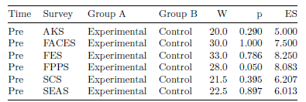
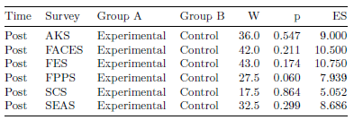

Table 1: Results from Wilcoxon Signed-Rank Test | Table 2: Results from Wilcoxon Signed-Rank Test
W = Test Statistic from Wilcoxon Test, p = p-value, ES = Effect Size | W = Test Statistic from Wilcoxon Test, p = p-value, ES = Effect Size

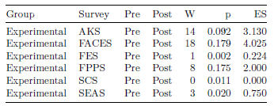
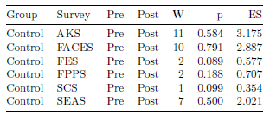

Table 3: Results from Wilcoxon Signed-Rank Test | Table 4: Results from Wilcoxon Signed-Rank Test
W = Test Statistic from Wilcoxon Test, p = p-value, ES = Effect Size | W = Test Statistic from Wilcoxon Test, p = p-value, ES = Effect Size

Sheet2
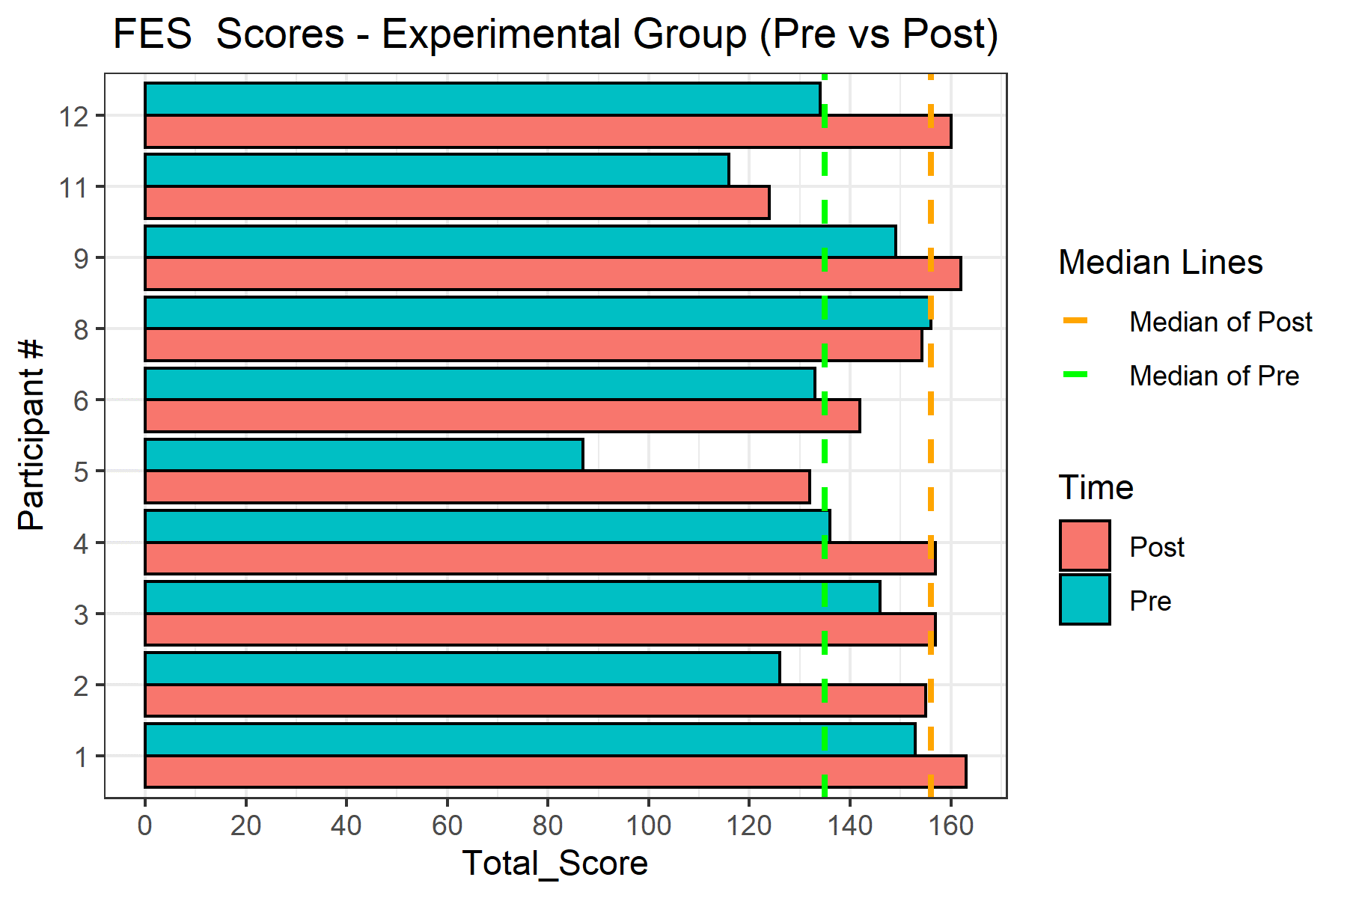
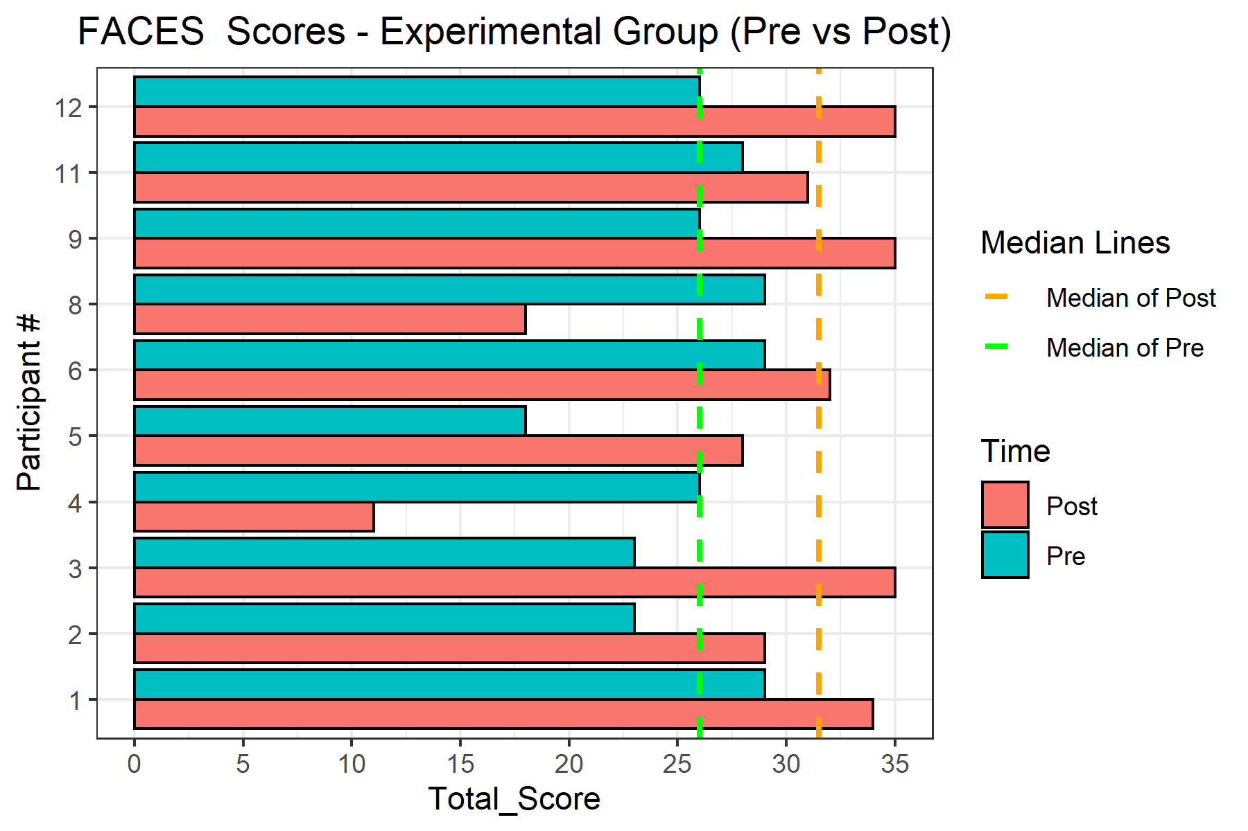
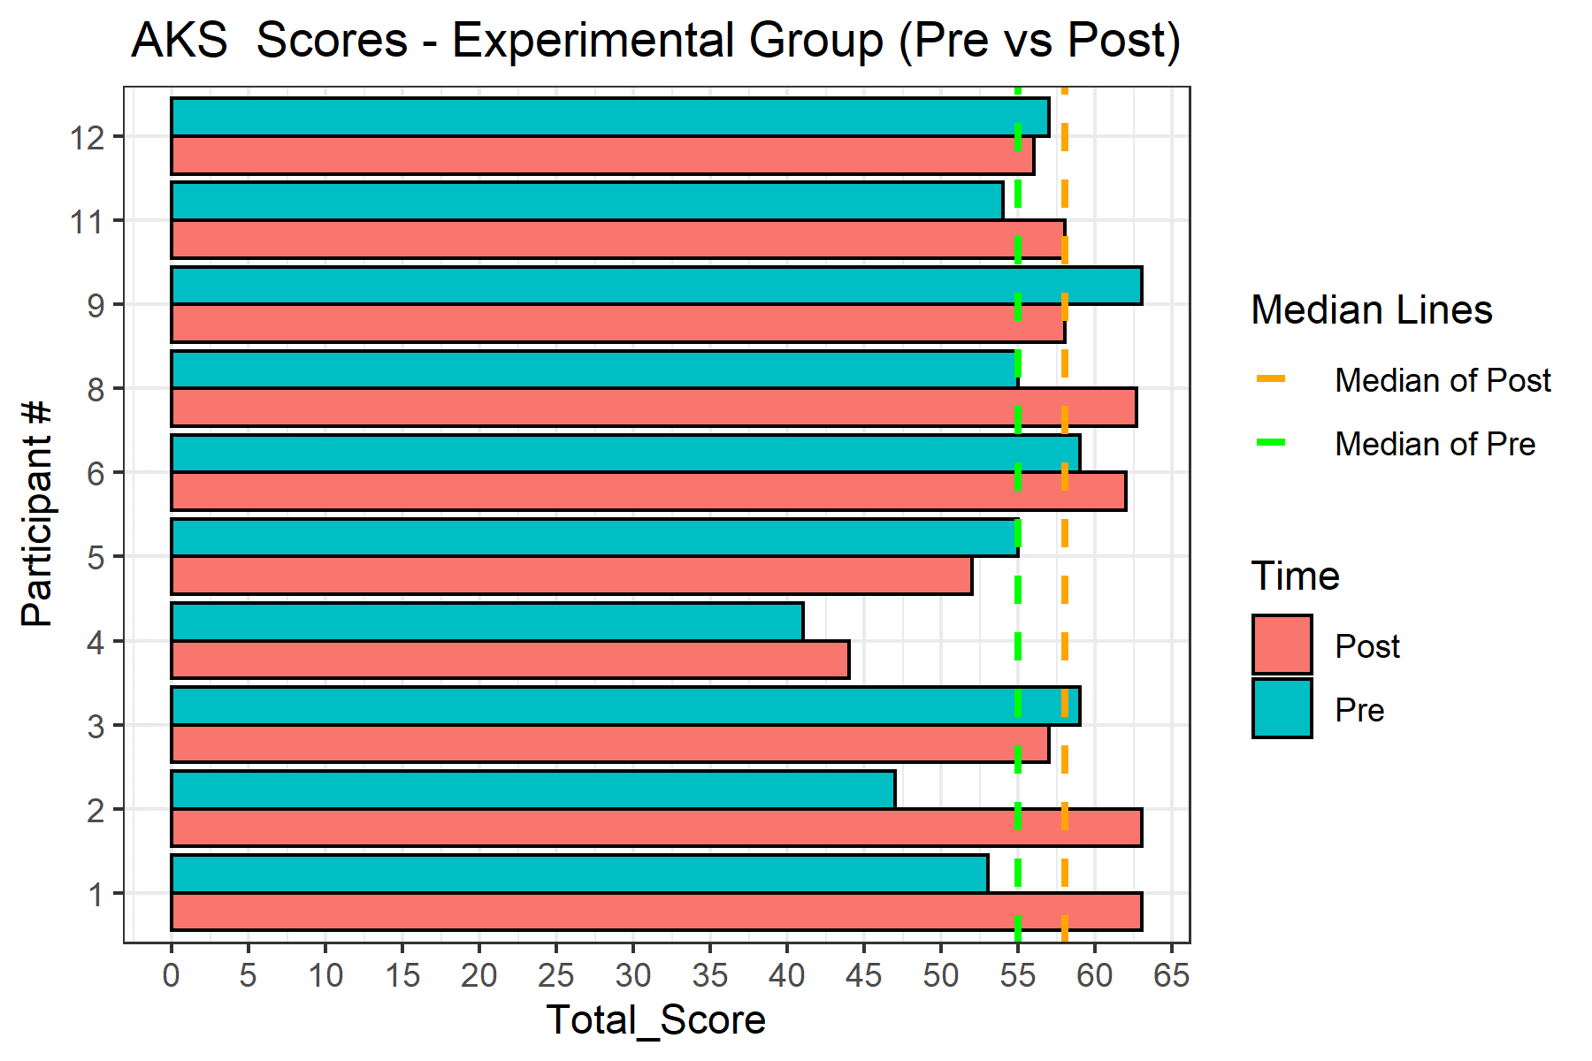

Figure 2: Bar chart for FES Total Scores |  | Figure 4: Bar chart for FACES Total Scores
 | Figure 3: Bar chart for AKS Total Scores

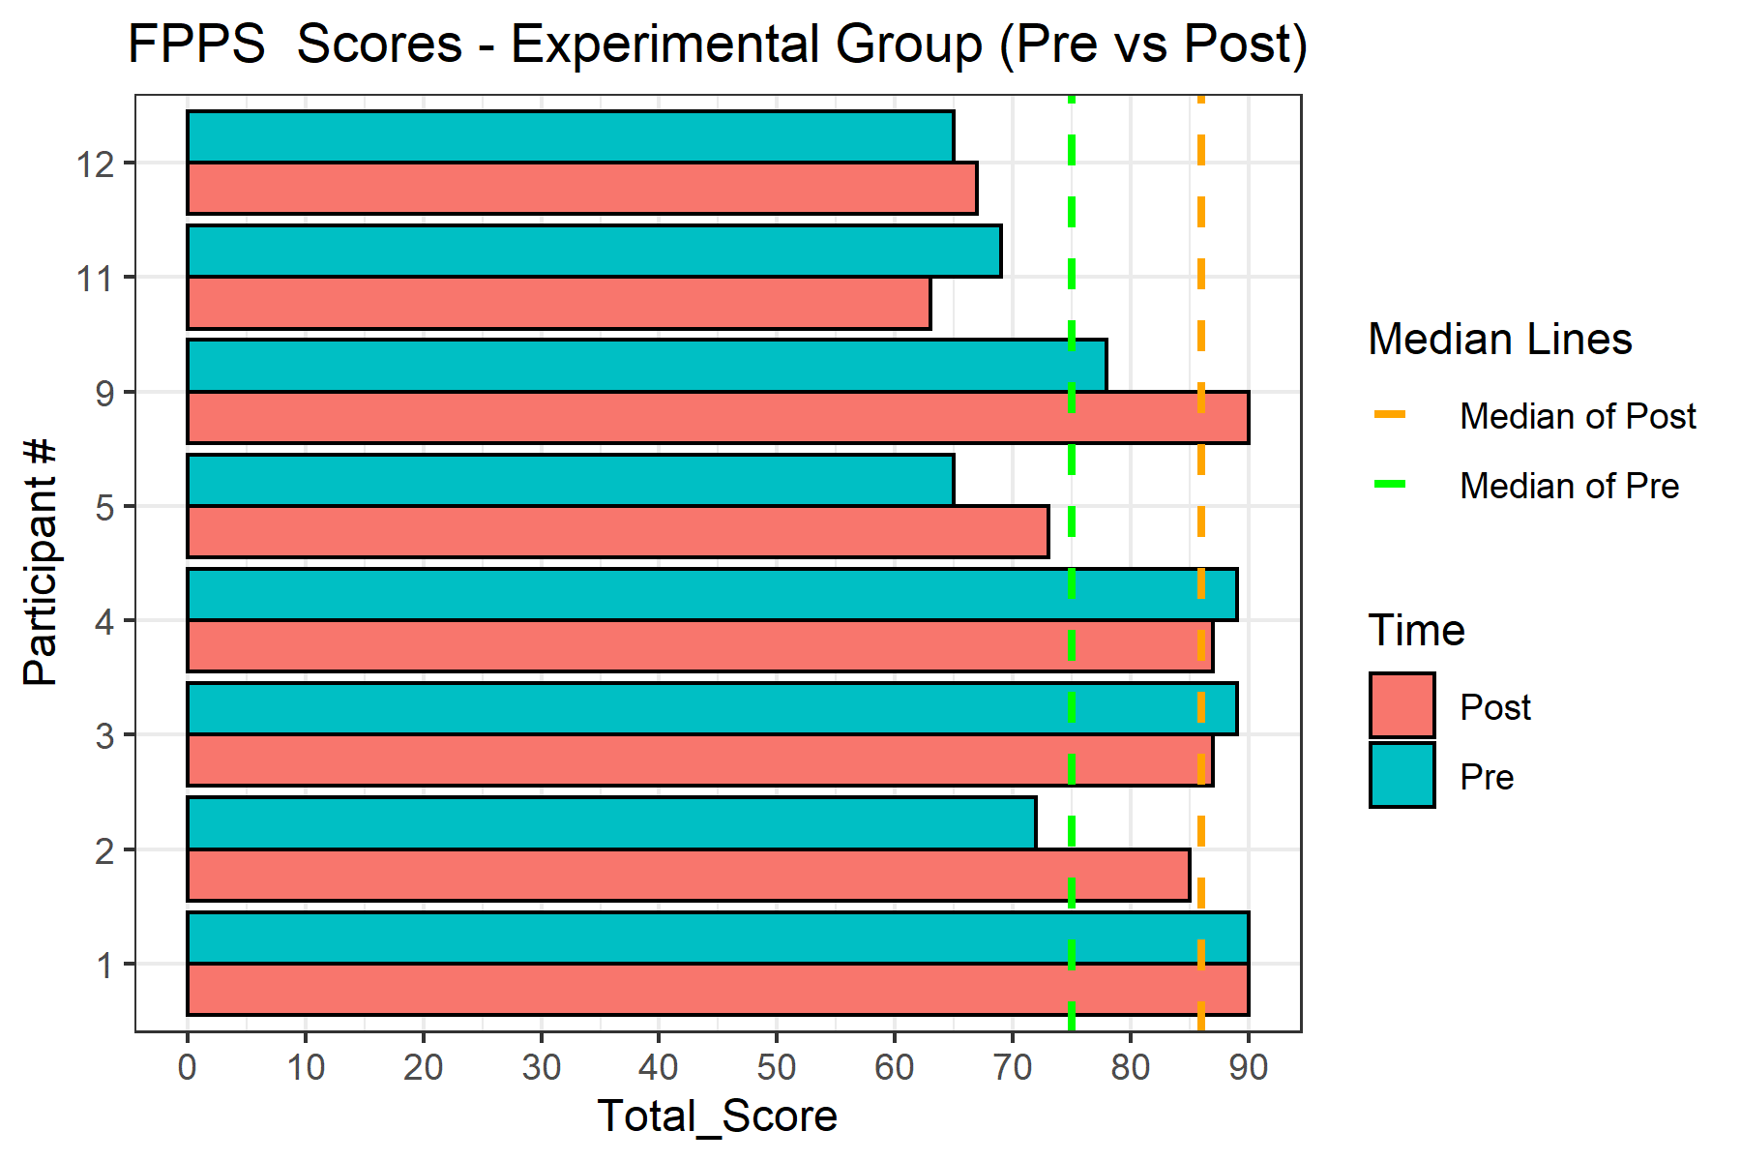
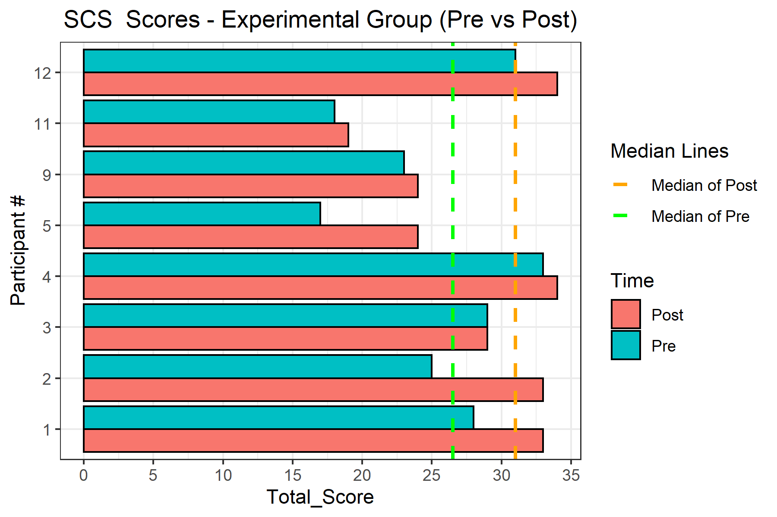

Figure 5: Bar chart for FPPS Total Scores | Figure 6: Bar chart for SCS Total Scores

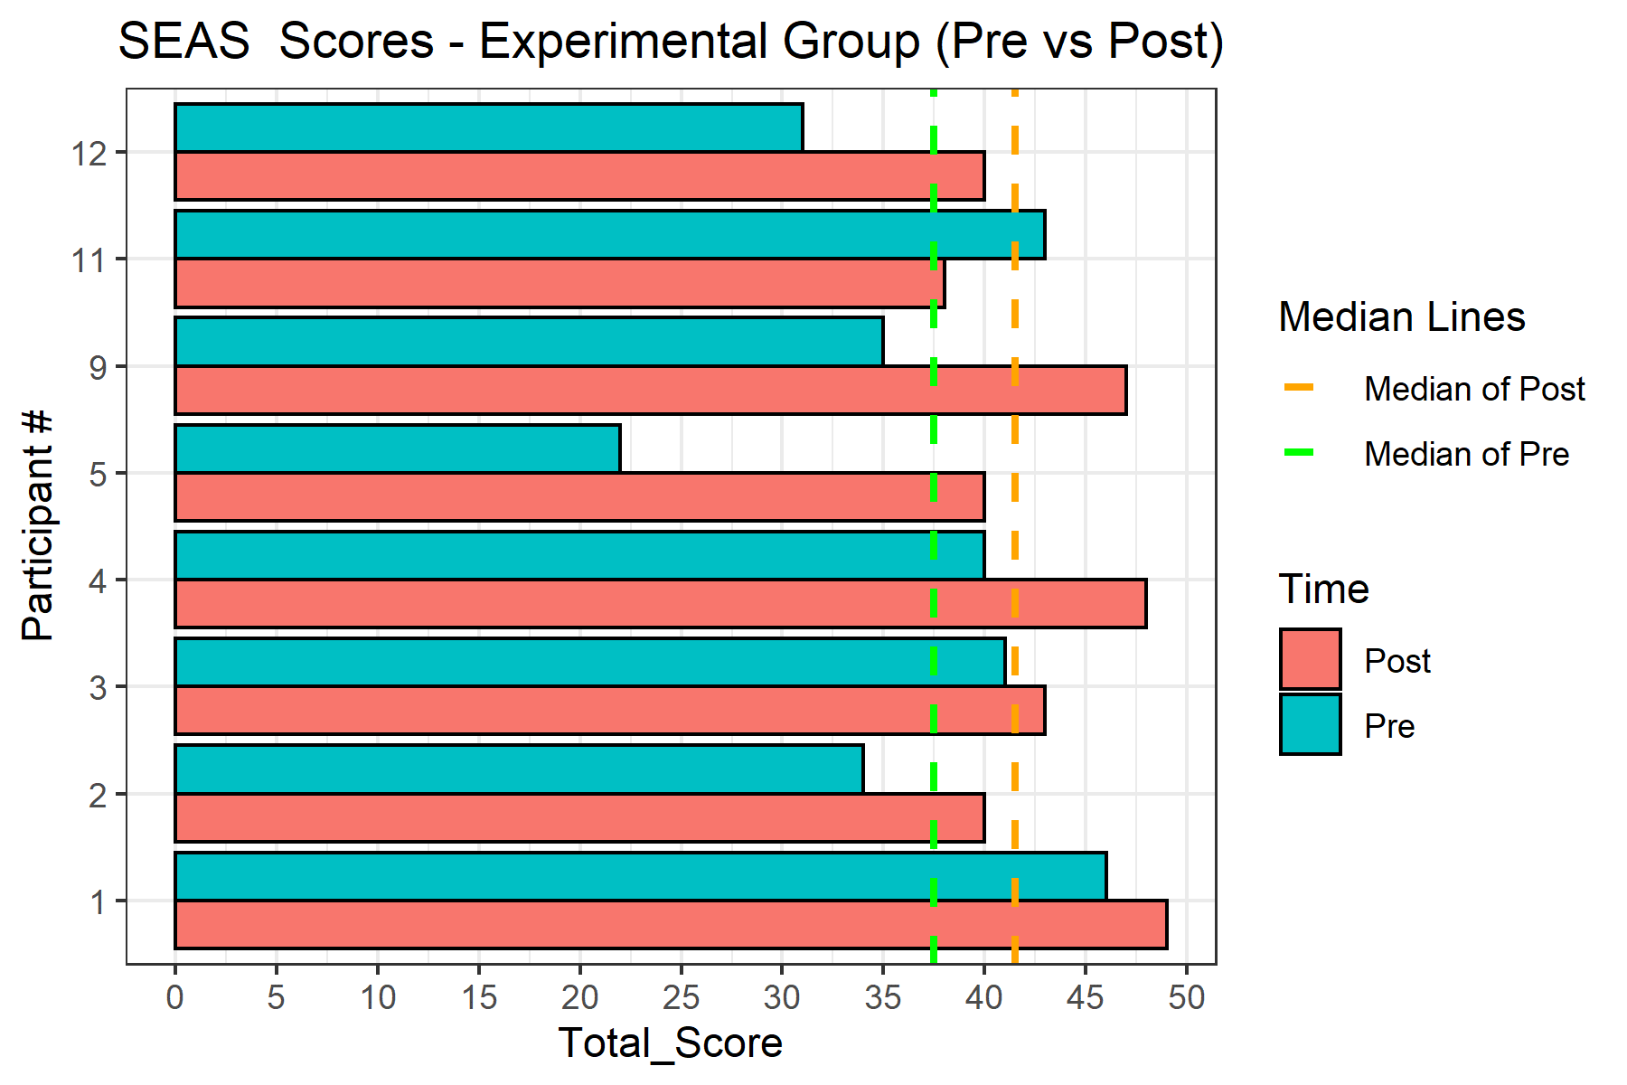

Figure 7: Bar chart for SEAS Total Scores

